Sheet1
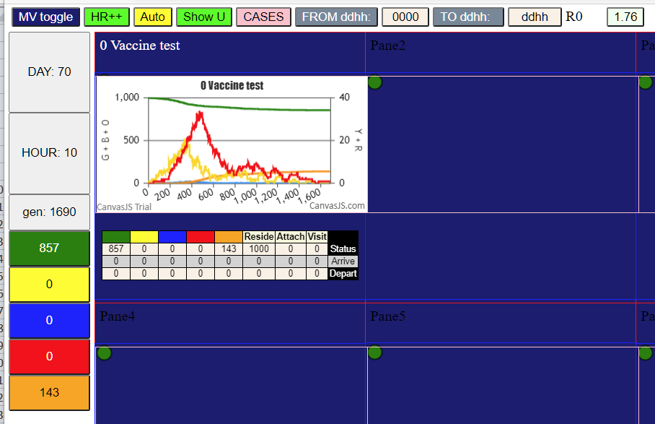
param 13 | 85% vaccination

